Sheet1
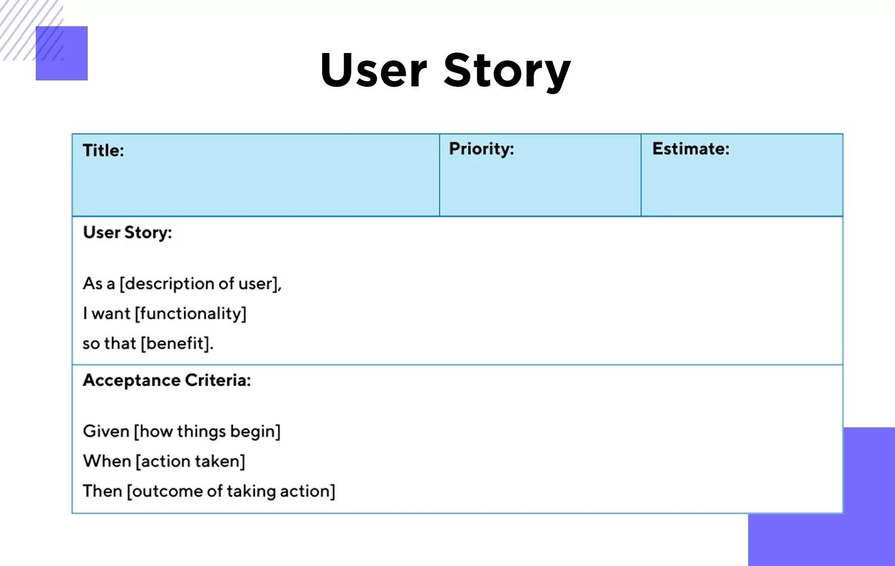
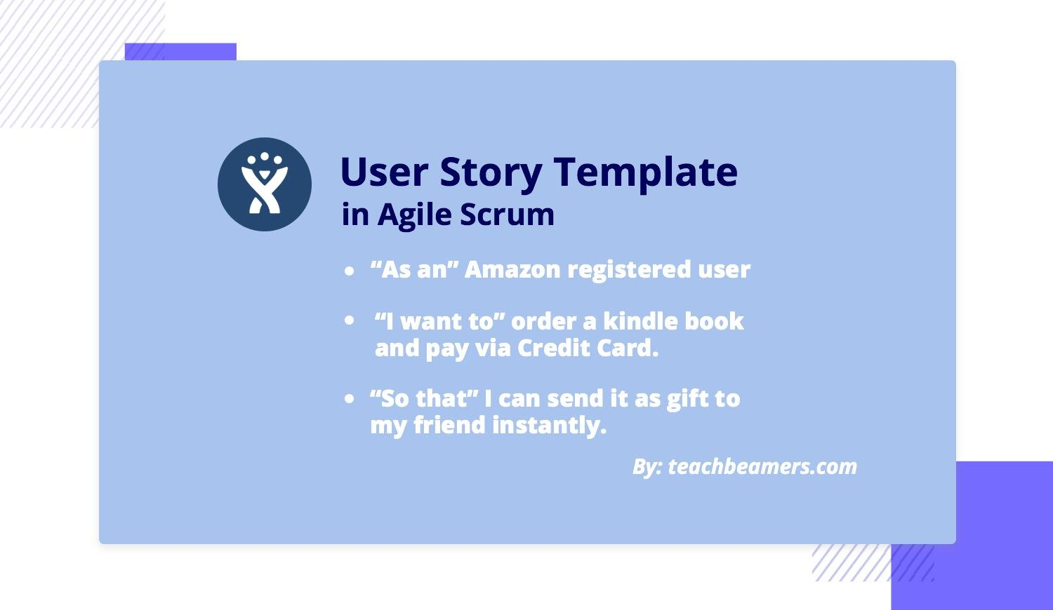
User Stories
Key | Summary | Story Points | Status | Place
 | As a customer, I want to register myself to the google gmail account So that I can keep my account private and login using gmail username and password. |  | To be done | Login
 | As a customer, I want to login in app So that I can use it to store all my information. |  | Done | Login
 | As a customer, I want to take the image of the vegetables So that I can book an get the recipe suggestions. |  | To be done | Camera
 | As a customer, I want to see the images of the vegetables took by me So that I can go back and get the recipes. |  | To be done | History
 | As a customer, I want to browse the recipe list So that I will be able to see what all recipes this app suggests. |  | To be done | Search
 | As a customer, I want to edit the vegetable names So that it gives me correct recipes |  | To be done | Edit Recipes
 | As a signed in customer, I want to log out So that I can have my privacy in the app. |  | Done | Logout/Login
 | As a customer, I want to view my profile So that I can store my Address and Phone No. in it. |  | To be done | Profile
 | As a customer I want to be able to view and edit the suggested vegetables so that I can either cancel or get the recipies |  | To be done | Image suggestions
 | As a customer I want to be able to recover my account customer ID/Name from the gmail services So that I will be able to access my account in case i forgot the account. |  | To be done | Login
 | As a customer I want to able to recover the passwords to my account So that I will be able to access my account in case i forgot password. |  | To be done | Profile
 | As a customer, I want to be able to find all the quick links in one place/or at the bottom of the page So that I will be able to access the links and find necessary information |  | To be done | Sitemap
 | As a customer, I want my account and all details to be erased completly so that I can have my privacy. |  | To be done | Profile
 | As a customer, I want to be able to change my profile and update my information on the application so that i can edit anything in it. |  | To be done | Profile
 | As a customer, I want to get support with any issue I face during my application usage so that i can have a nice experience on the app. |  | To be done | CustomerService
 | As a customer, I want to provide feedback about the services provided so that other users can view them. |  | To be done | Recipies
 | As a customer, I want to see the Recipes I searched earlier so that if needed I can directly search and get new Recipes |  | To be done | Booking History
 | As a customer I want to able to chat with a customer service representative to address my issue so that they can help me. |  | To be done | CustomerService

